Q1
CART |  | CS513A | KDDM | Name: Balaji Katakam |  |  | CWID: 10423274
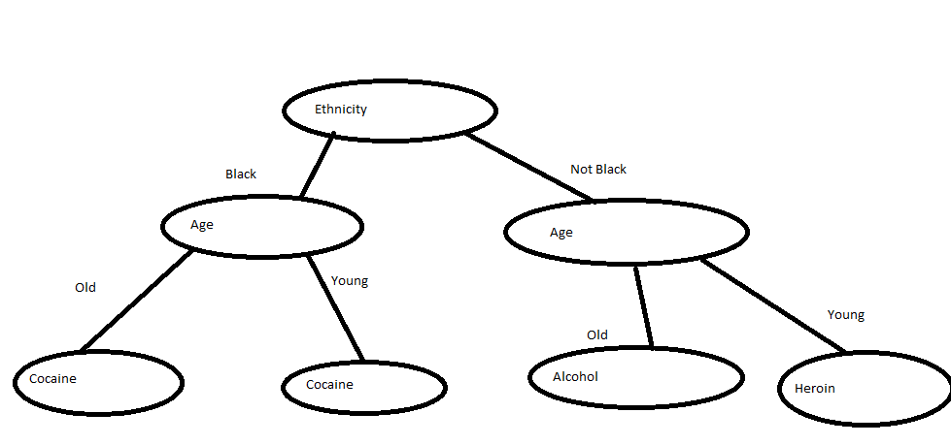
 |  | Ethnicity | Age Category | Alcohol | Cocaine | Heroin | Row Total
 |  | Black | Old | 30 | 48 | 17 | 95
 |  | Black | Young | 25 | 72 | 13 | 110
 |  | Hispanic | Old | 7 | 0 | 5 | 12
 |  | Hispanic | Young | 8 | 7 | 19 | 34
 |  | White | Old | 60 | 2 | 17 | 79
 |  | White | Young | 26 | 10 | 34 | 70
 |  | Column Total |  | 156 | 139 | 105 | 400

 | First Level of Splitting
 | Initially Splitting the Dataset by Ethnicity (Black has highest entropy)

 |  | S.No. | Split | PL | PR | Level | p(j/tl) | p(j/tr) | 2Pl * PR | q(s/t) | Over all
 |  | 1 | Black | 0.513 | 0.488 | Alcohol | 0.268 | 0.518 | 0.500 | 0.976 | 0.488
 |  |  |  |  |  | Cocaine | 0.585 | 0.097
 |  |  |  |  |  | Heroin | 0.146 | 0.385
 |  | 2 | Hispanic | 0.115 | 0.885 | Alcohol | 0.326 | 0.398 | 0.204 | 0.586 | 0.119
 |  |  |  |  |  | Cocaine | 0.152 | 0.373
 |  |  |  |  |  | Heroin | 0.522 | 0.229
 |  | 3 | White | 0.373 | 0.628 | Alcohol | 0.577 | 0.279 | 0.467 | 0.851 | 0.398
 |  |  |  |  |  | Cocaine | 0.081 | 0.506
 |  |  |  |  |  | Heroin | 0.342 | 0.215

 | Splitting by Age

 |  | S.No. | Split | PL | PR | Level | p(j/tl) | p(j/tr) | 2Pl * PR | q(s/t) | Over all
 |  | 1 | Old | 0.465 | 0.535 | Alcohol | 0.522 | 0.276 | 0.498 | 0.492 | 0.245
 |  |  |  |  |  | Cocaine | 0.269 | 0.416
 |  |  |  |  |  | Heroin | 0.210 | 0.308

Second Level of CART

 | Splitting by Age & Black

 |  | S.No. | Split | PL | PR | Level | p(j/tl) | p(j/tr) | 2Pl * PR | q(s/t) | Over all
 |  | 1 | Old | 0.463 | 0.537 | Alcohol | 0.316 | 0.227 | 0.497 | 0.299 | 0.148
 |  |  |  |  |  | Cocaine | 0.505 | 0.655
 |  |  |  |  |  | Heroin | 0.179 | 0.118

 | Splitting by Age and Not Black

 |  | S.No. | Split | PL | PR | Level | p(j/tl) | p(j/tr) | 2Pl * PR | q(s/t) | Over all
 |  | 1 | Old | 0.467 | 0.533 | Alcohol | 0.736 | 0.327 | 0.498 | 0.819 | 0.408
 |  |  |  |  |  | Cocaine | 0.022 | 0.163
 |  |  |  |  |  | Heroin | 0.242 | 0.510

Q2
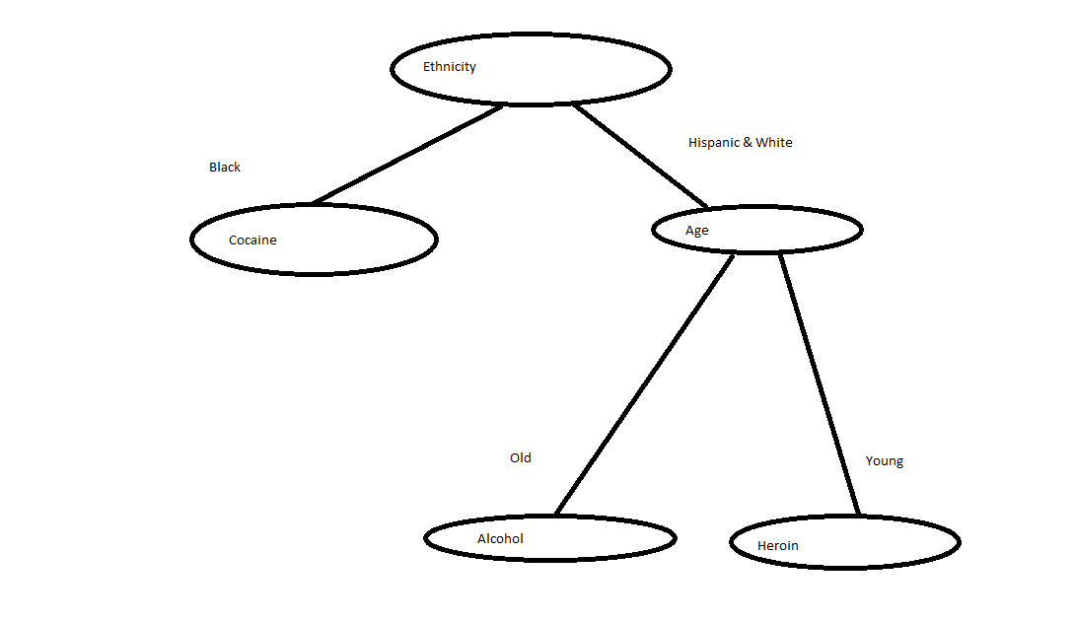
 | Decision Tree - C4.5 Method
 | CS513A | KDDM | Name: Balaji Katakam |  |  | CWID: 10423274

 | Ethnicity | Age Category | Alcohol | Cocaine | Heroin | Row Total
 | Black | Old | 30 | 48 | 17 | 95
 | Black | Young | 25 | 72 | 13 | 110
 | Hispanic | Old | 7 | 0 | 5 | 12
 | Hispanic | Young | 8 | 7 | 19 | 34
 | White | Old | 60 | 2 | 17 | 79
 | White | Young | 26 | 10 | 34 | 70
 | Column Total |  | 156 | 139 | 105 | 400

 | Total Entropy |  | Pj | - (Pj* log(Pj)
 |  | Alcohol | 0.390 | 0.530
 |  | Cocaine | 0.348 | 0.530
 |  | Heroin | 0.263 | 0.507
 |  | Sum Total |  | 1.566

Solving at the first Level
 | Variable | Variable Levels | Addictions | Pj | - (Pj* log(Pj) | Row Total | Percent | Pct * Row total | Total | Net Gain
 | Ethnicity | Black | Alcohol | 0.268 | 0.509 | 1.367 | 0.513 | 0.701 | 1.342 | 0.224
 |  |  | Cocaine | 0.585 | 0.452
 |  |  | Heroin | 0.146 | 0.406
 |  | Hispanic | Alcohol | 0.326 | 0.527 | 1.430 | 0.115 | 0.164
 |  |  | Cocaine | 0.152 | 0.413
 |  |  | Heroin | 0.522 | 0.490
 |  | White | Alcohol | 0.577 | 0.458 | 1.280 | 0.373 | 0.477
 |  |  | Cocaine | 0.081 | 0.293
 |  |  | Heroin | 0.342 | 0.529
 | Age | Old | Alcohol | 0.522 | 0.490 | 1.472 | 0.465 | 0.684 | 1.520 | 0.046
 |  |  | Cocaine | 0.269 | 0.509
 |  |  | Heroin | 0.210 | 0.473
 |  | Young | Alcohol | 0.276 | 0.512 | 1.562 | 0.535 | 0.836
 |  |  | Cocaine | 0.416 | 0.526
 |  |  | Heroin | 0.308 | 0.523

Solving for Second Level
 | Variable | Variable Levels | Addictions | Pj | - (Pj* log(Pj) | Row Total | Percent | Pct * Row total | Total | Net Gain
 | Age | Old | Alcohol | 0.736 | 0.325 | 0.941 | 0.465 | 0.438 | 1.214 | 0.353
 |  |  | Cocaine | 0.022 | 0.121
 |  |  | Heroin | 0.242 | 0.495
 |  | Young | Alcohol | 0.327 | 0.527 | 1.450 | 0.535 | 0.776
 |  |  | Cocaine | 0.163 | 0.427
 |  |  | Heroin | 0.510 | 0.496

